Cover Sheet
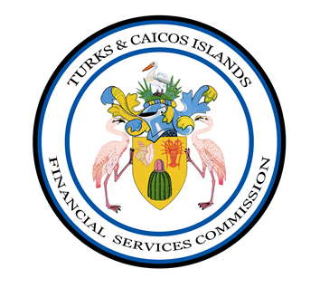

(Name of Insurance Manager)

(Reporting Period)

INSURANCE MANAGER

ANNUAL RETURNS
issued pursuant to section 44 of the Financial Services Commission Ordianance

to be filled with

FINANCIAL SERVICES COMMISSION

TURKS AND CAICOS ISLANDS

